EVD_OPL 01-28
Test Case ID | OPL 01-28
Test Case Summary | Lakukan WO Candidate

Step # | Test Evidence | Re-Test Evidence (if found Bug/Issue)
1
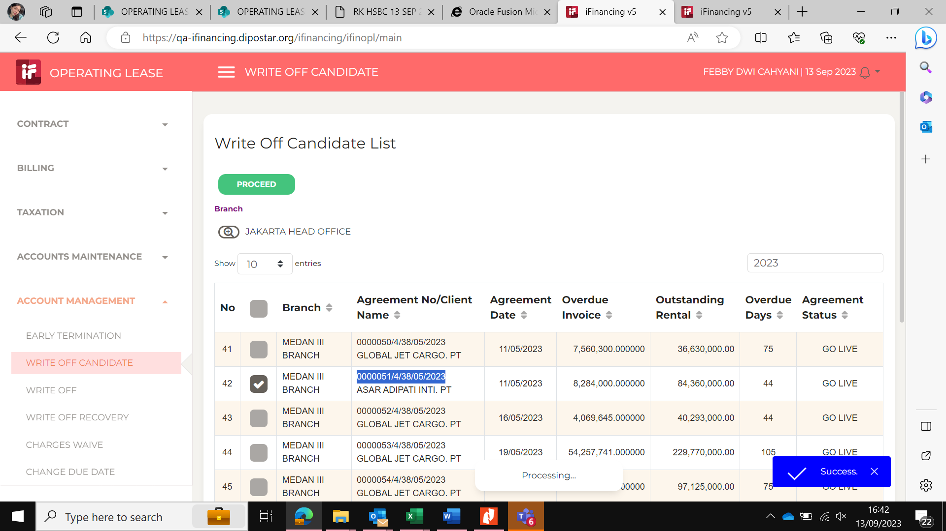

2
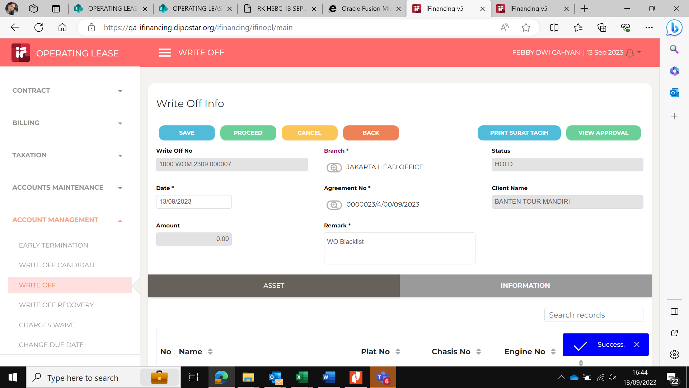

3
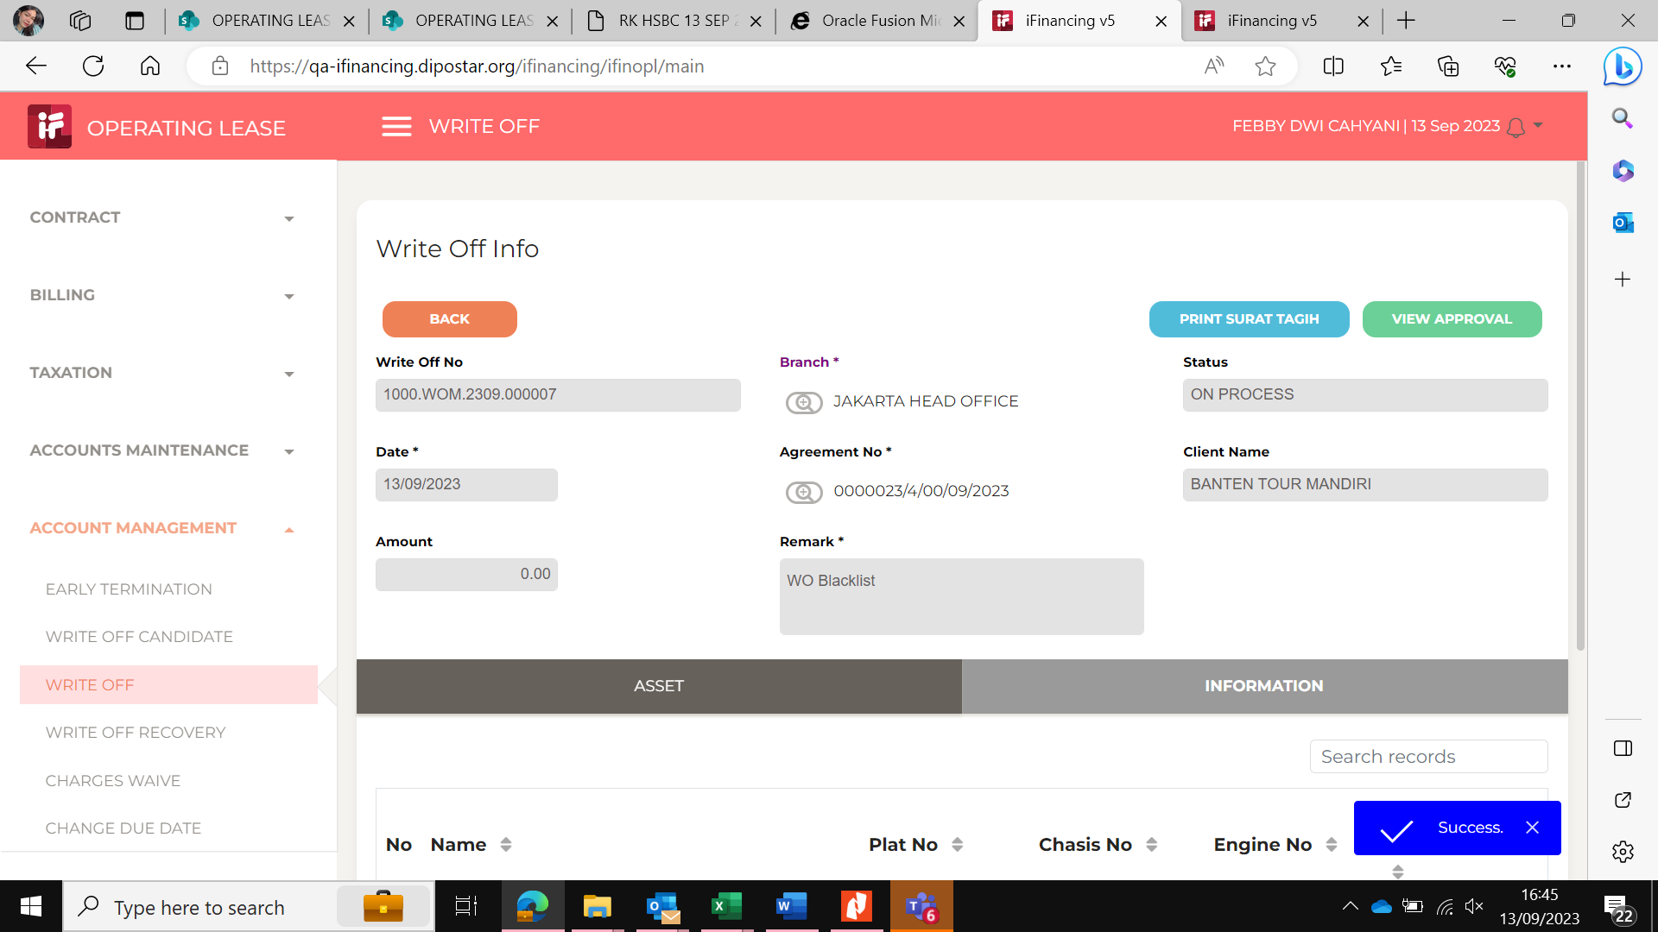

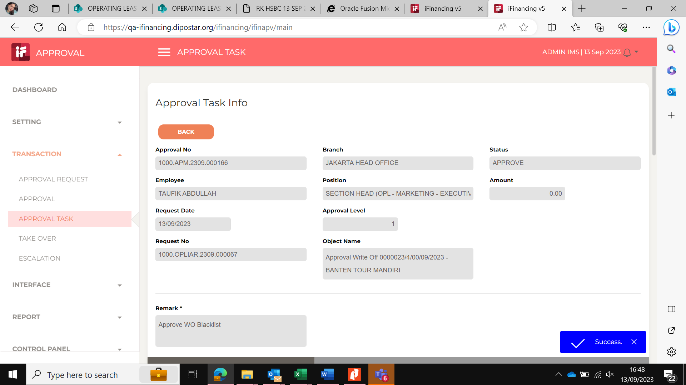
4

5
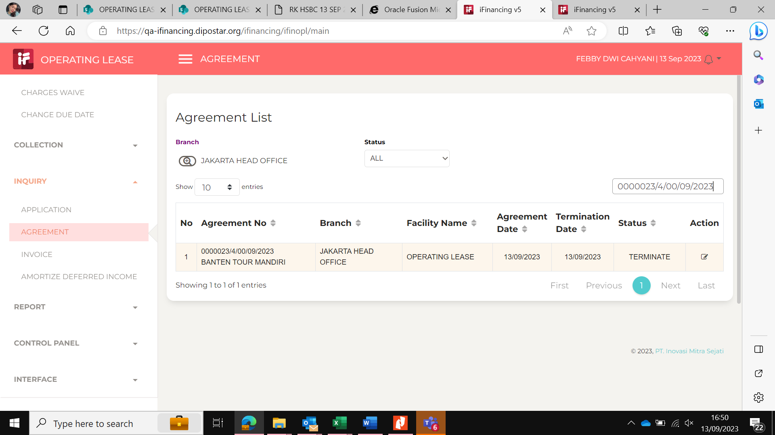

6
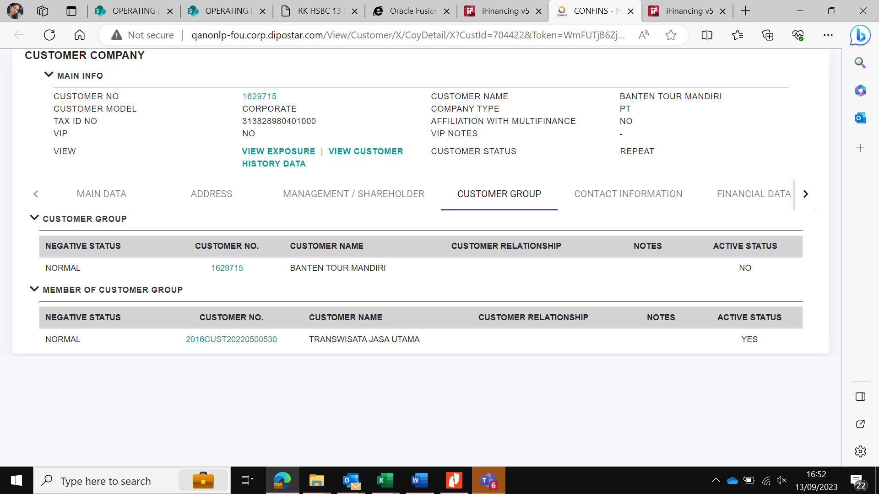

7

8

9

10

11

13

14

15

16

17

18

19

20

21

22

36

37

38

39

41

43

44

45

46

EVD_OPL 01-28 - HA
Test Case ID | OPL 01-28
Test Case Summary | Lakukan WO Candidate

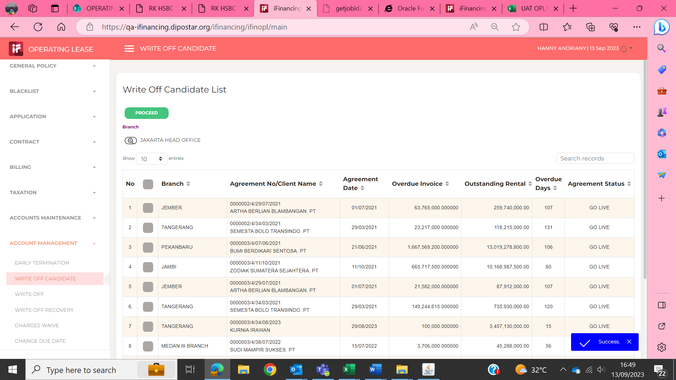
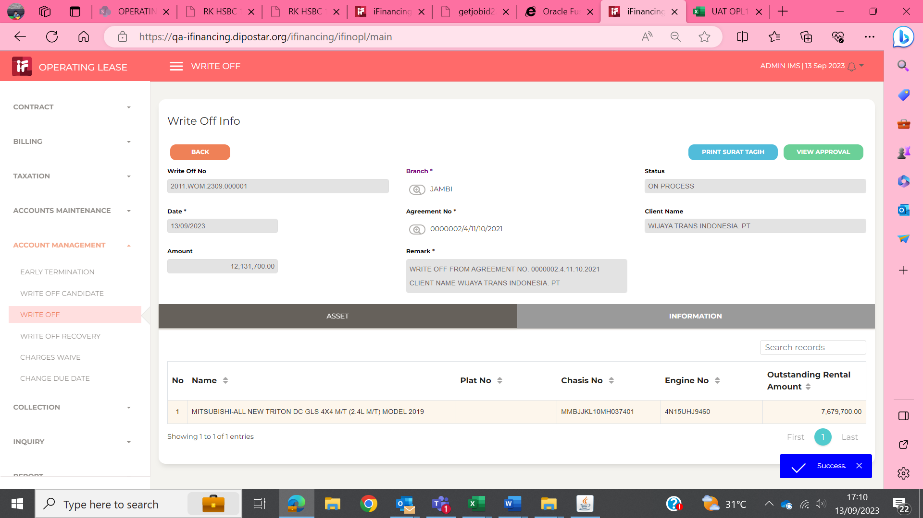
Step # | Test Evidence | Re-Test Evidence (if found Bug/Issue)
1

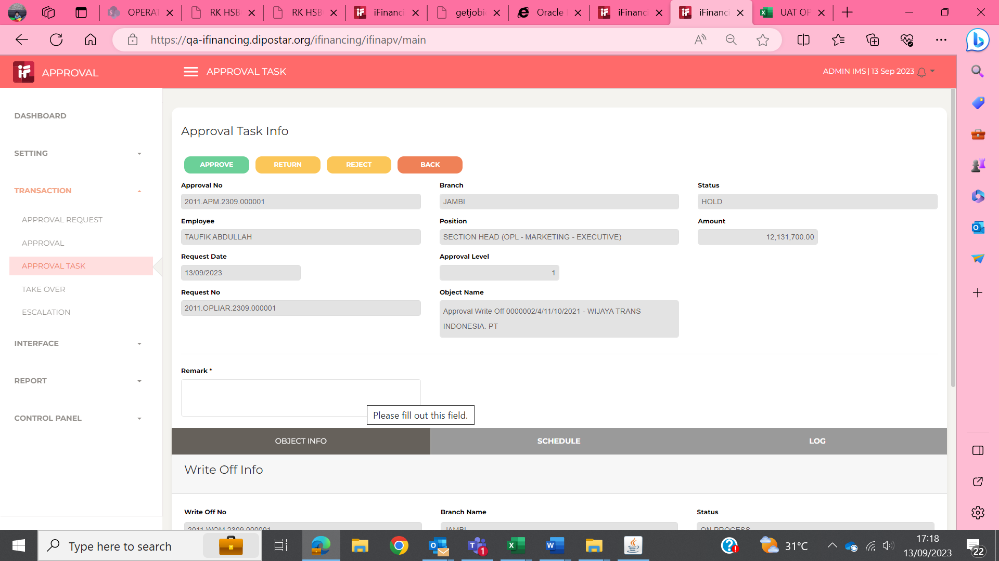
2

3
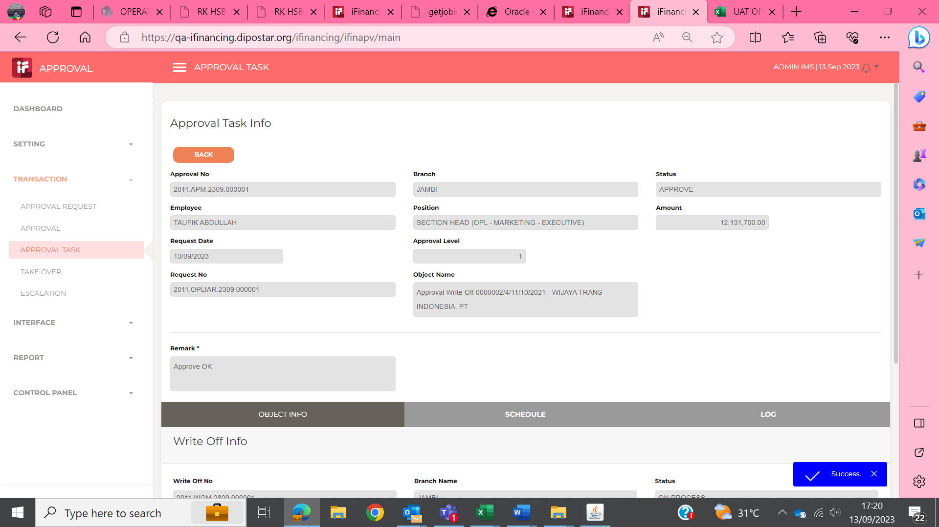

4

5

6

7

8

9

10

11

13

14

15

16

17

18

19

20

21

22

36

37

38

39

41

43

44

45

46

EVD_OPL 01-28 - Febby
Test Case ID | OPL 01-28
Test Case Summary | Lakukan WO Candidate

Step # | Test Evidence | Re-Test Evidence (if found Bug/Issue)
1

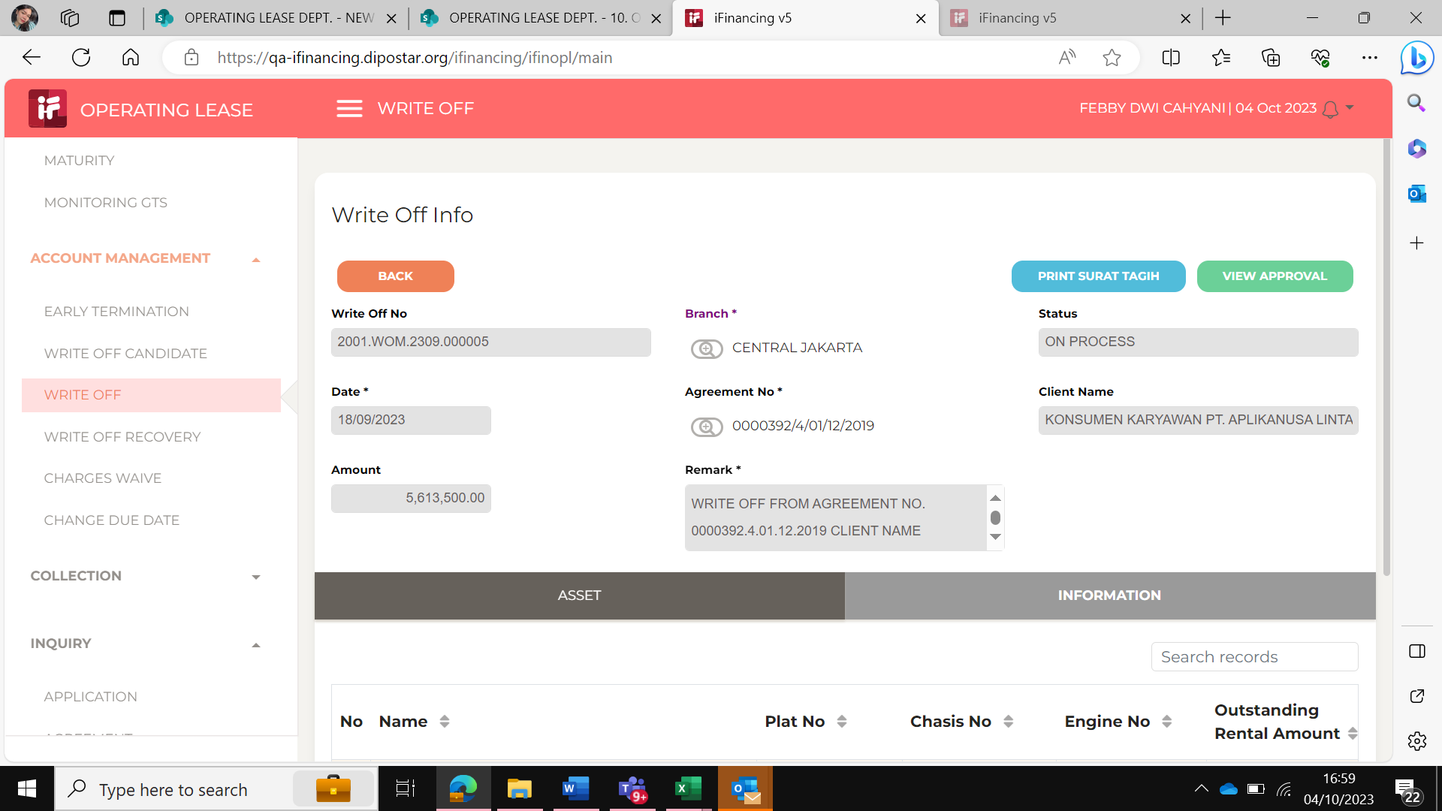

2
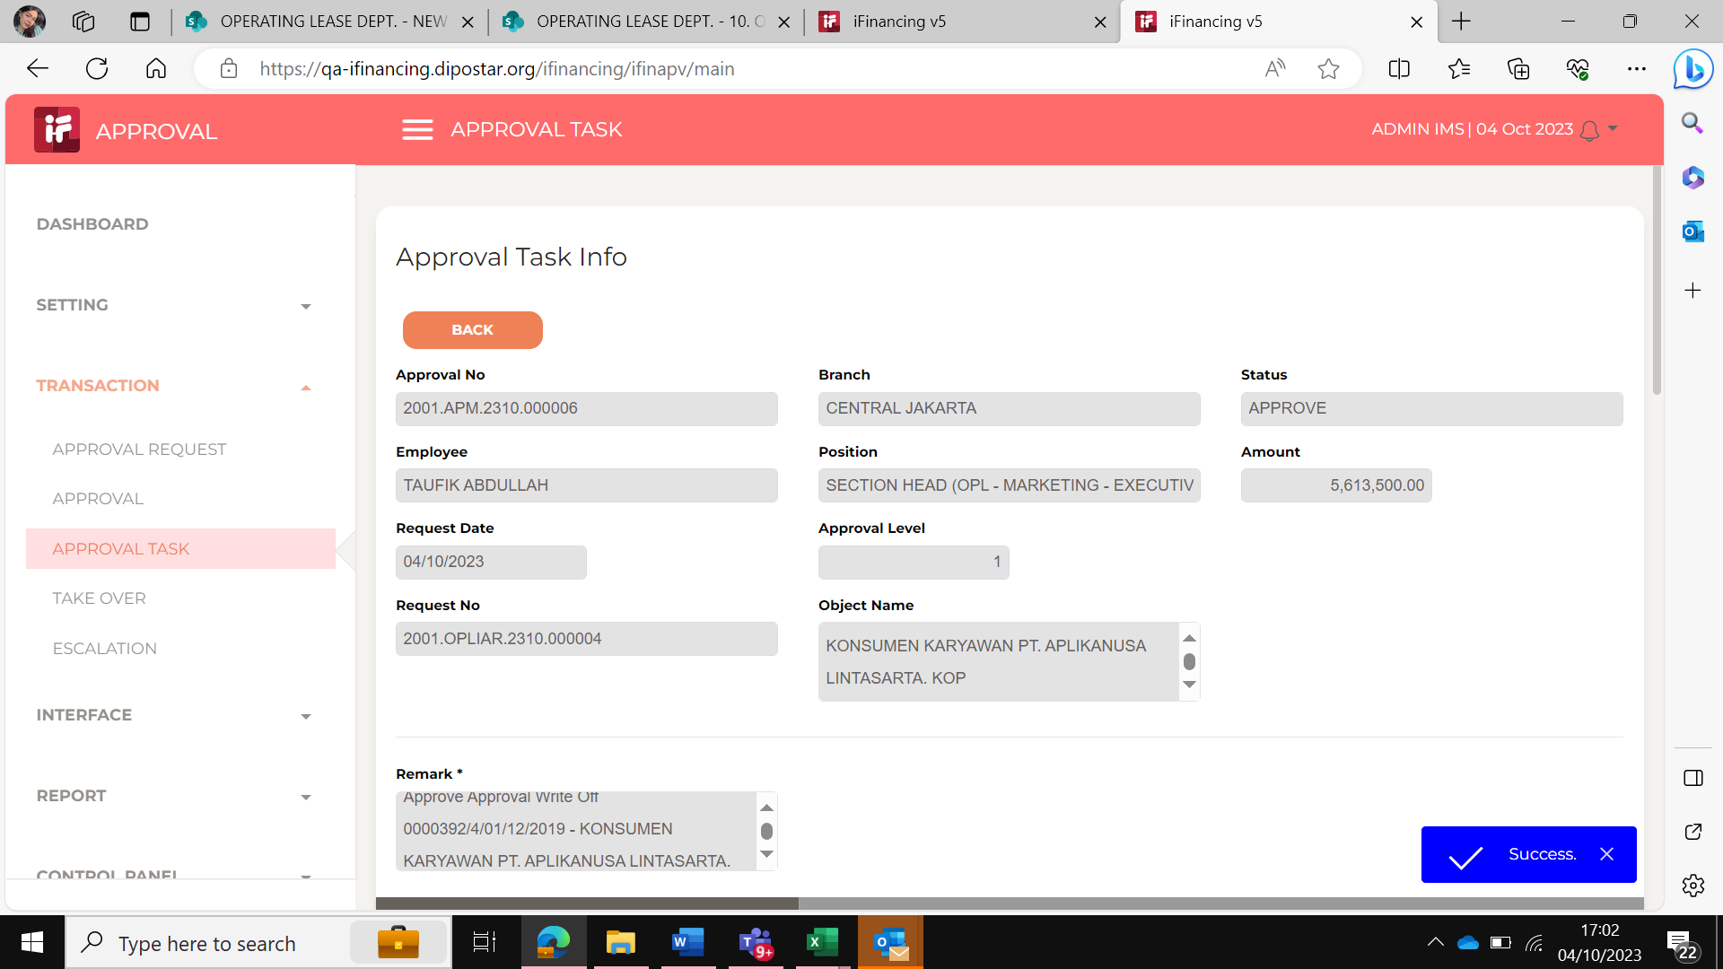

3

4

5

6

7

8

9

10

11

13

14

15

16

17

18

19

20

21

22

36

37

38

39

41

43

44

45

46

